3.5 Back-layering
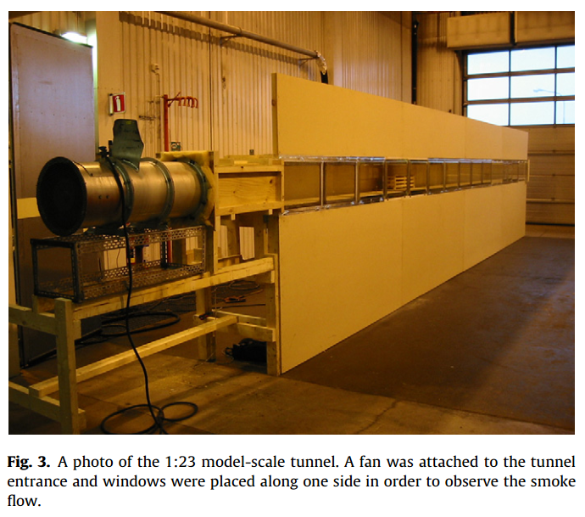
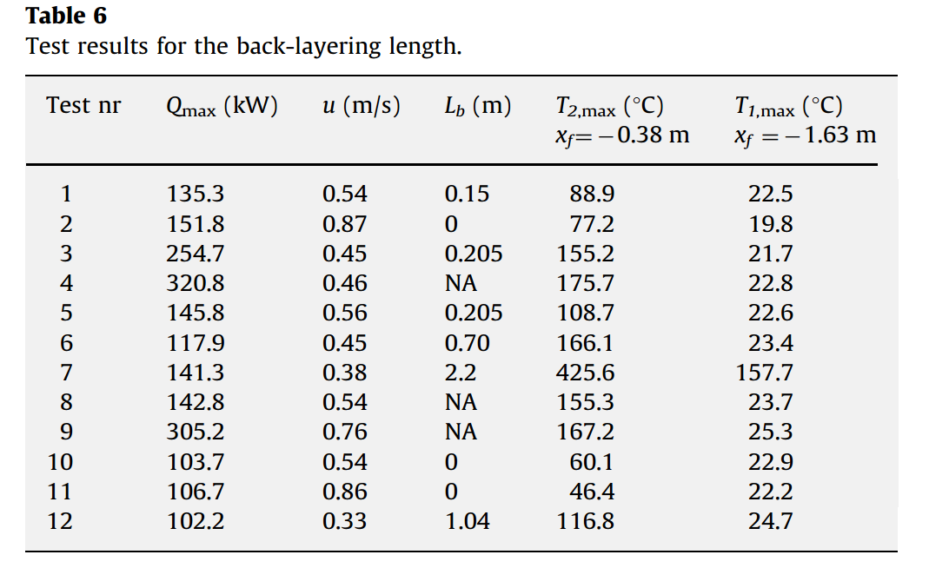
Lb-Back-layering length and other paramenter (2010-Ingason)

 | From the table
 | Test nr | Qmax (kW) | u (m/s) | Lb (m) | T2,max | T1,max
 | 1 | 135.3 | 0.54 | 0.15 | 88.9 | 22.5
 | 2 | 151.8 | 0.87 | 0 | 77.2 | 19.8
 | 3 | 254.7 | 0.45 | 0.205 | 155.2 | 21.7
 | 4 | 320.8 | 0.46 | NA | 175.7 | 22.8
 | 5 | 145.8 | 0.56 | 0.205 | 108.7 | 22.6
 | 6 | 117.9 | 0.45 | 0.7 | 166.1 | 23.4
 | 7 | 141.3 | 0.38 | 2.2 | 425.6 | 157.7
 | 8 | 142.8 | 0.54 | NA | 155.3 | 23.7
 | 9 | 305.2 | 0.76 | NA | 167.2 | 25.3
 | 10 | 103.7 | 0.54 | 0 | 60.1 | 22.9
 | 11 | 106.7 | 0.86 | 0 | 46.4 | 22.2
 | 12 | 102.2 | 0.33 | 1.04 | 116.8 | 24.7

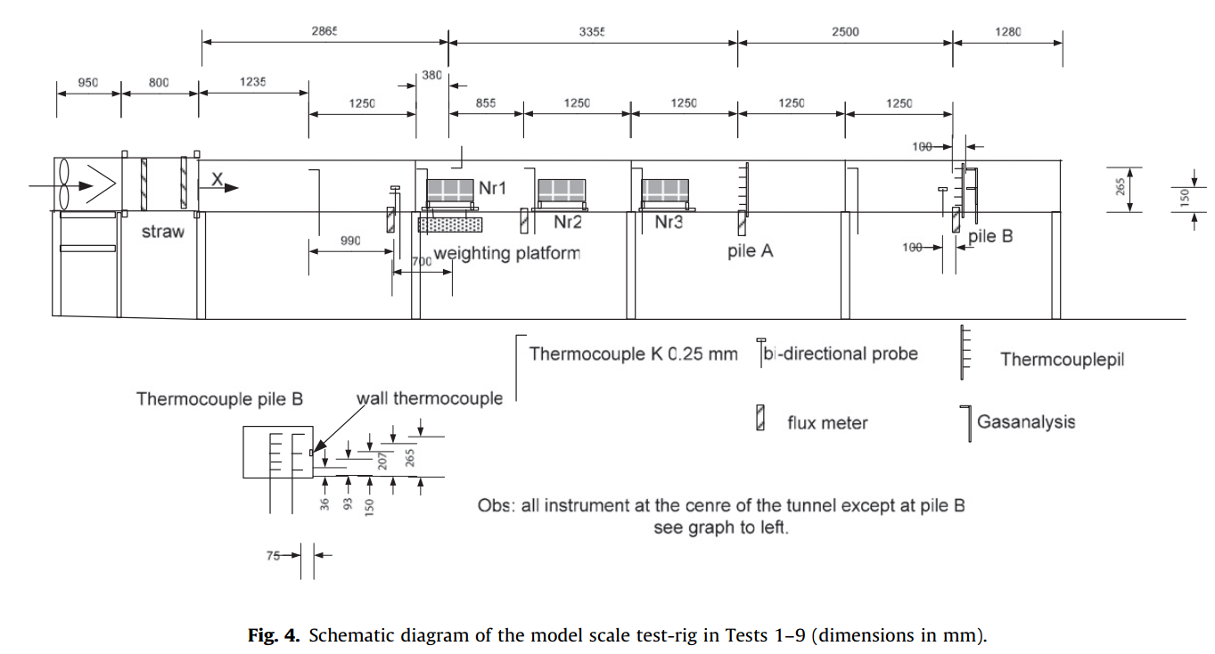

Lb*-Dimensionless back-layering length and V* Dimensionless critical velocity (2010-Ingason)

wood crib A | V* | 0.2741 | 0.3209 | 0.3195 | 0.3264 | 0.3852 | 0.4025 | 0.6183
 | Lb* | 7.5875 | 2.7429 | 1.152 | 1.1519 | 0.9662 | 1.1505 | 0.4791

wood crib B | V* | 0.2926 | 0.4712 | 0.7502
 | Lb* | 5.5274 | 0.4817 | 0.4767
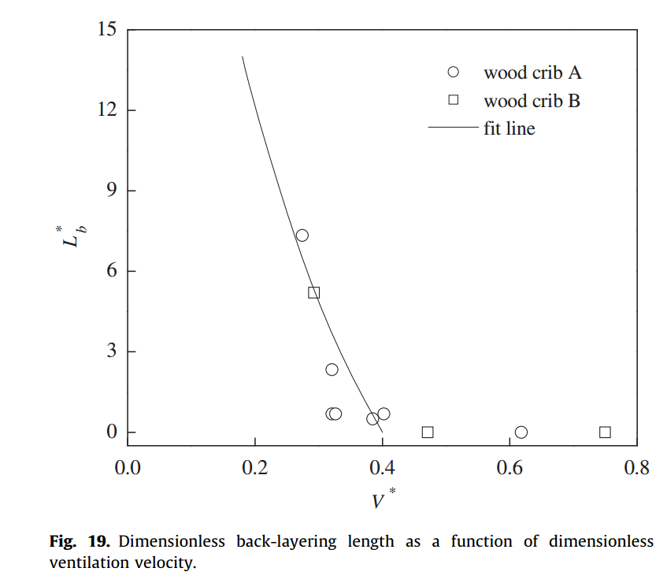
Dimensionless back-layering length and Dimensionless critical velocity

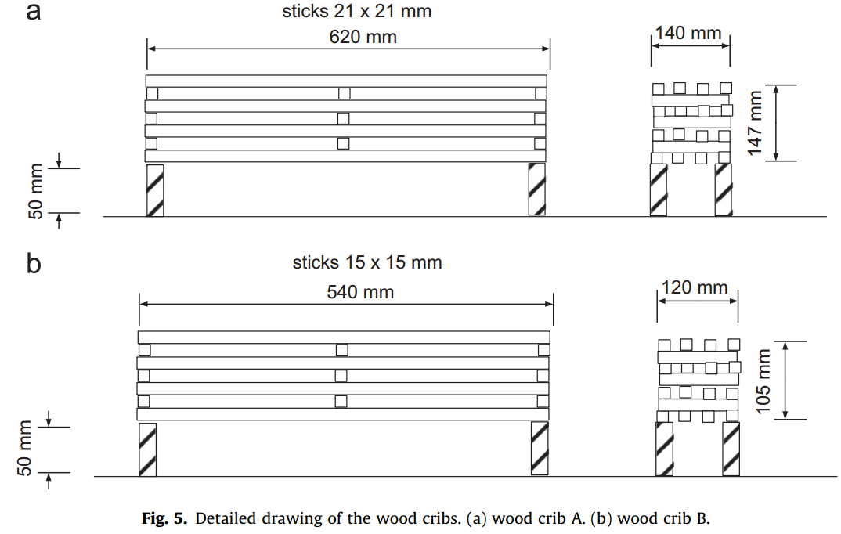

V - Longitudinal ventilation velocity and Lb backlayering length (2010 Li)

1.8 kW | Lb | 0.2503 | 0.3498 | 0.4493 | 0.6 | 0.7999
 | V | 0.4646 | 0.4453 | 0.4291 | 0.4123 | 0.3953
3.2 kW | Lb | 0.1502 | 0.2993 | 0.4502 | 0.65 | 0.8001
 | V | 0.5474 | 0.5255 | 0.5022 | 0.475 | 0.4504
4.8 kW | Lb | 0.2 | 0.3998 | 0.6501 | 0.8002
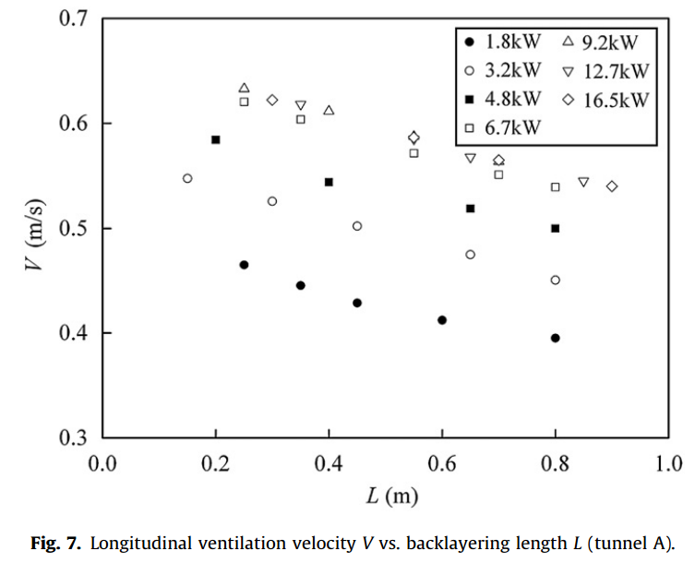
 | V | 0.5844 | 0.5444 | 0.519 | 0.5001
6.7 kW | Lb | 0.2498 | 0.3501 | 0.5499 | 0.6999 | 0.8002
 | V | 0.6206 | 0.6038 | 0.5718 | 0.5512 | 0.5393
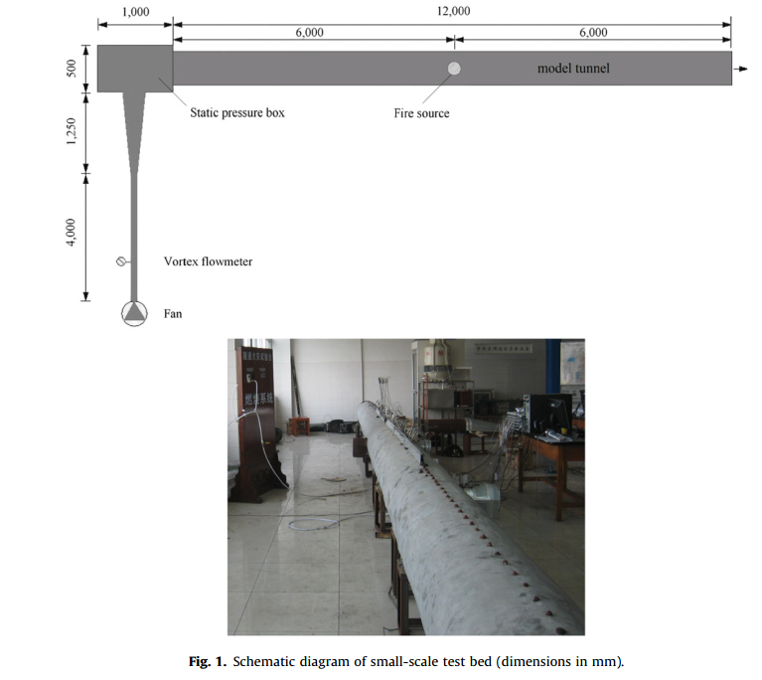
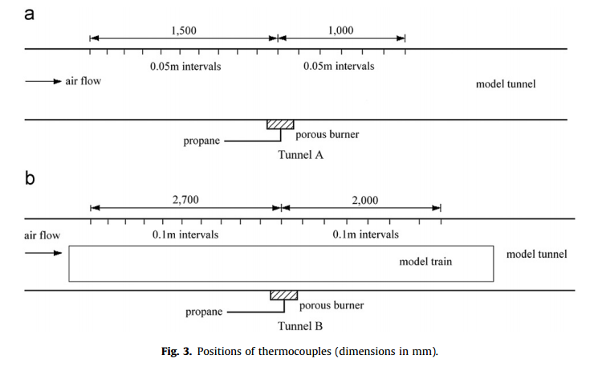
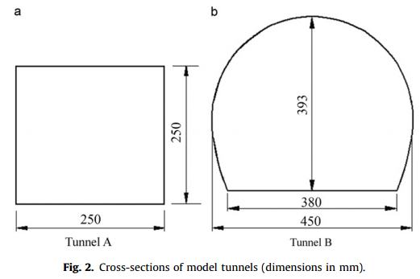
9.2 kW | Lb | 0.2503 | 0.4003 | 0.7
 | V | 0.6334 | 0.6118 | 0.5644
12.7 kW | Lb | 0.3514 | 0.6505 | 0.85
 | V | 0.6179 | 0.5678 | 0.5451
16.5 kW | Lb | 0.3 | 0.5503 | 0.7004 | 0.9005
 | V | 0.6221 | 0.5864 | 0.5646 | 0.54
Longitudinal ventilation velocity and backlayering length

V** - Dimensionless confinement velocity and L* Dimensionless backlayering length (2010 Li)

1.8 kW | L* | 0.9973 | 1.3978 | 1.7982 | 2.4016
 | V** | 0.9281 | 0.8908 | 0.8582 | 0.8256
3.2 kW | L* | 0.597 | 1.7982 | 1.1948 | 2.596 | 3.1995
 | V** | 0.9615 | 0.8818 | 0.922 | 0.834 | 0.79
4.8 kW | L* | 0.7973 | 1.5981 | 2.5989 | 3.1995
 | V** | 0.928 | 0.865 | 0.8241 | 0.7938
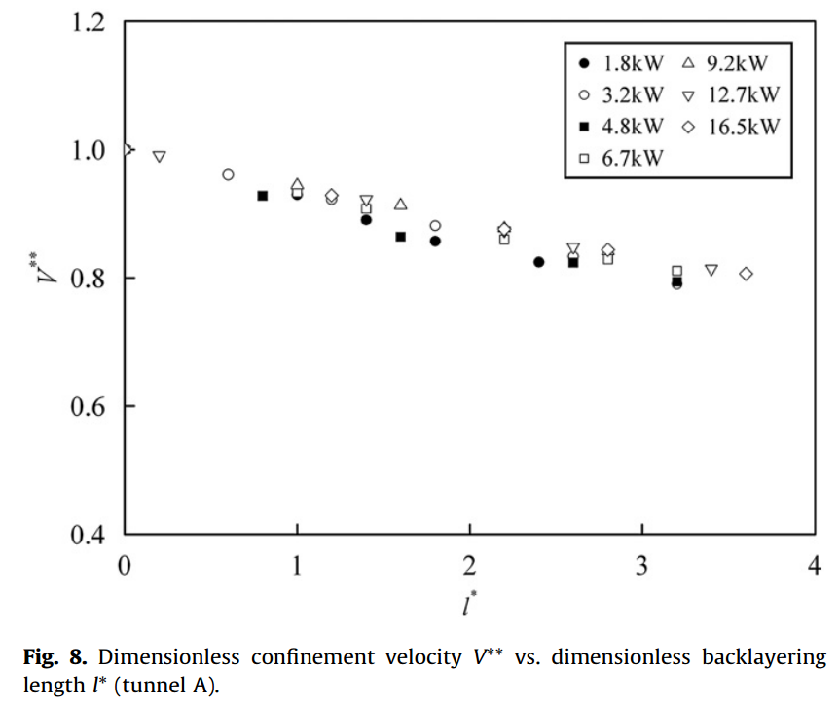
6.7 kW | L* | 0.9973 | 1.395 | 2.1957 | 2.7991 | 3.1994
 | V** | 0.9334 | 0.9076 | 0.8606 | 0.8295 | 0.8113
9.2 kW | L* | 0.9973 | 1.5979 | 2.5989 | 2.799
 | V** | 0.9456 | 0.9137 | 0.8363 | 0.8409
12.7 kW | L* | 0.1966 | 1.3977 | 2.596 | 3.3967
 | V** | 0.9919 | 0.9228 | 0.8484 | 0.8143
16.5 kW | L* | 0 | 1.1976 | 2.1985 | 2.799 | 3.5997 | 2.5989
 | V** | 1.0002 | 0.9289 | 0.8765 | 0.8447 | 0.8068 | 0.834

Dimensionless confinement velocity and Dimensionless backlayering length

V** - Dimensionless confinement velocity and L* Dimensionless backlayering length (2010 Li)

Tunnel A | L* | 0.1917 | 0.1967 | 0.595 | 0.7941 | 0.7991 | 0.9883 | 0.9832 | 0.9982 | 1.2023 | 1.1924 | 1.3965 | 1.3965 | 1.4015 | 1.5957 | 1.6056 | 1.6006 | 1.6006 | 1.7997 | 1.7997 | 2.1981 | 2.1981 | 2.3972 | 2.6014 | 2.6014 | 2.8005 | 2.9996 | 3.0046 | 3.2038 | 3.2038 | 3.3979 | 4.4036 | 4.8069
 | V** | 0.9998 | 0.9922 | 0.9615 | 0.9294 | 0.9554 | 0.9577 | 0.9301 | 0.9416 | 0.9224 | 0.9301 | 0.924 | 0.9087 | 0.8911 | 0.9148 | 0.9118 | 0.8857 | 0.8643 | 0.8819 | 0.8582 | 0.8766 | 0.8612 | 0.8222 | 0.8336 | 0.8237 | 0.8291 | 0.8475 | 0.8191 | 0.8115 | 0.7908 | 0.8153 | 0.777 | 0.7479
Tunnel B | L* | 0.7591 | 0.7591 | 0.8837 | 1.0082 | 1.0082 | 1.0132 | 1.2671 | 1.516 | 1.521 | 1.7749 | 1.7749 | 2.0338 | 2.0288 | 2.2877 | 2.5415 | 2.5415 | 2.7955 | 2.7955 | 3.0493 | 3.0493 | 3.3033 | 3.3033 | 3.5573 | 3.5573 | 3.8112 | 3.8161 | 4.0651 | 4.0701 | 4.0701 | 4.324 | 4.324 | 4.324 | 4.8317 | 4.8317 | 5.0857 | 5.3496 | 5.484 | 5.5985 | 5.5985 | 5.5985 | 5.8524 | 6.1063 | 6.1063 | 6.1661
 | V** | 0.9615 | 0.9409 | 0.9455 | 0.9569 | 0.9485 | 0.9278 | 0.9363 | 0.924 | 0.9064 | 0.9079 | 0.8919 | 0.9079 | 0.8789 | 0.8972 | 0.8766 | 0.8658 | 0.8544 | 0.8413 | 0.8735 | 0.8298 | 0.8567 | 0.8444 | 0.8436 | 0.8276 | 0.8161 | 0.8069 | 0.8061 | 0.7939 | 0.7832 | 0.8329 | 0.8153 | 0.8115 | 0.7854 | 0.7747 | 0.7786 | 0.7717 | 0.7656 | 0.7992 | 0.7471 | 0.741 | 0.7372 | 0.7365 | 0.7426 | 0.7441

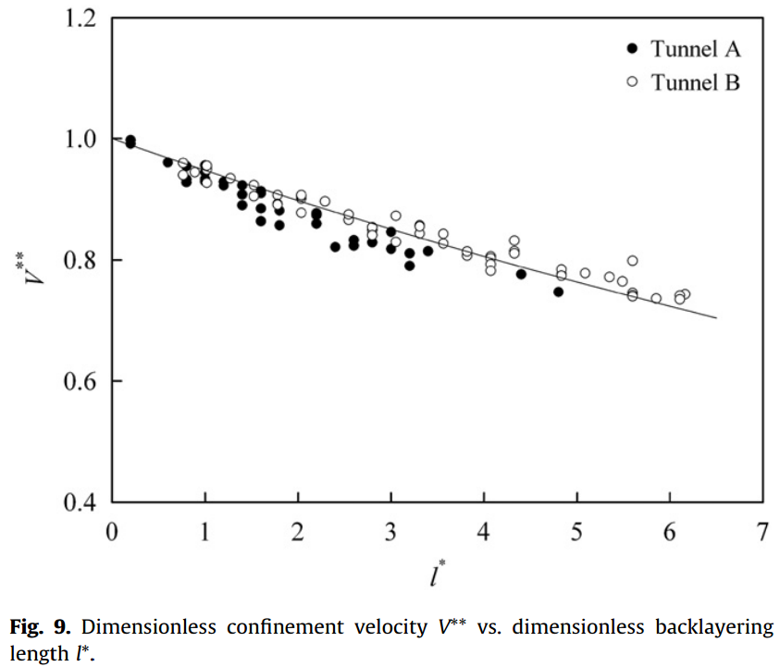

Dimensionless confinement velocity and Dimensionless backlayering length

Comparison of predicted backlayering length with data from the Yuanjiang tunnel tests. (2010 Li)

Heat release rate (MW) | Ventilation velocity (m/s) | Tunnel height (m) | Pool size (m2) | Height of fire source above floor (m) | Backlayering length (m) | Predicted backlayering length using Eq. (31) (m)
1.8 | 1.0–1.1 | 7.2 | 1 | 1.7 | 100 | 63–76
1.8 | 0.6–0.7 | 7.2 | 1 | 0.2 | 140 | 128–150
3.2 | 0.5–0.6 | 7.2 | 2 | 0.2 | 200 | 177–204
3.2 | 0.9–1.0 | 7.2 | 2 | 0.2 | 120 | 104–119

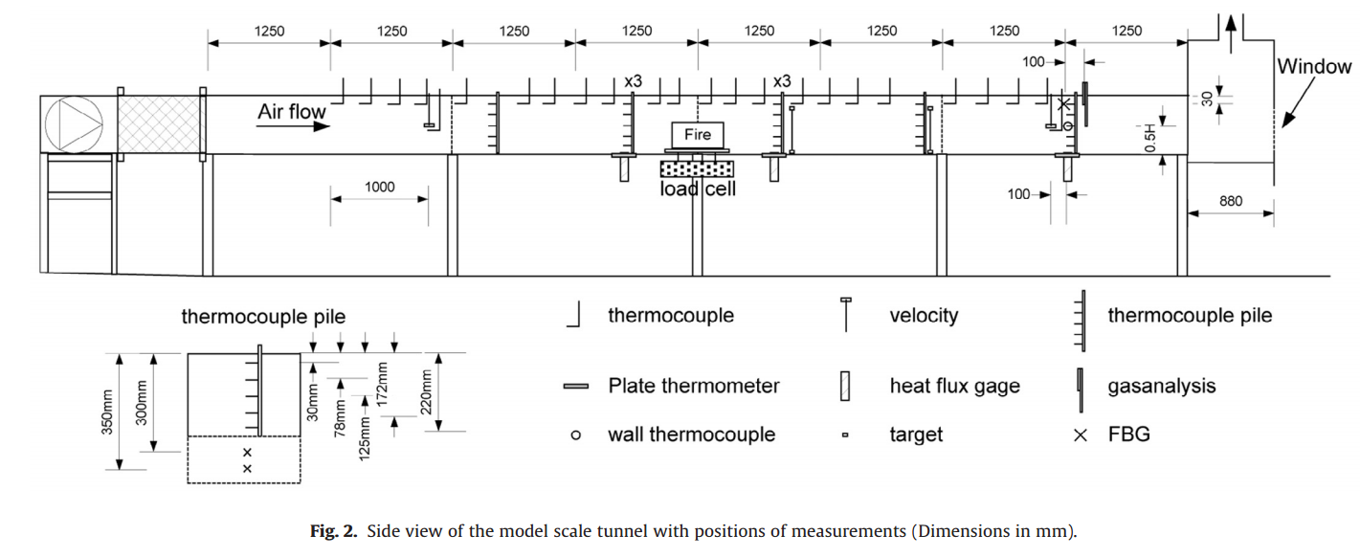

Backlayering length with different tunnel widths and heights. (Fan 2016)

Test | Fuel | uo (m/s) | H (m) | W (m) | A (m2) | Backlayering length (m)
2 | Heptane | 0.67 | 0.25 | 0.45 | 0.11 | 0–0.25
3 | Heptane | 0.67 | 0.25 | 0.6 | 0.15 | 0.5–0.75
4 | Heptane | 0.67 | 0.4 | 0.3 | 0.12 | 0.5–0.75
5 | Heptane | 0.67 | 0.4 | 0.45 | 0.18 | 2.5–2.75
6 | Heptane | 0.5 | 0.4 | 0.6 | 0.24 | >3.75

Lb - Smoke back-layering length with H - shaft heights. (Guo 2019)
4 m
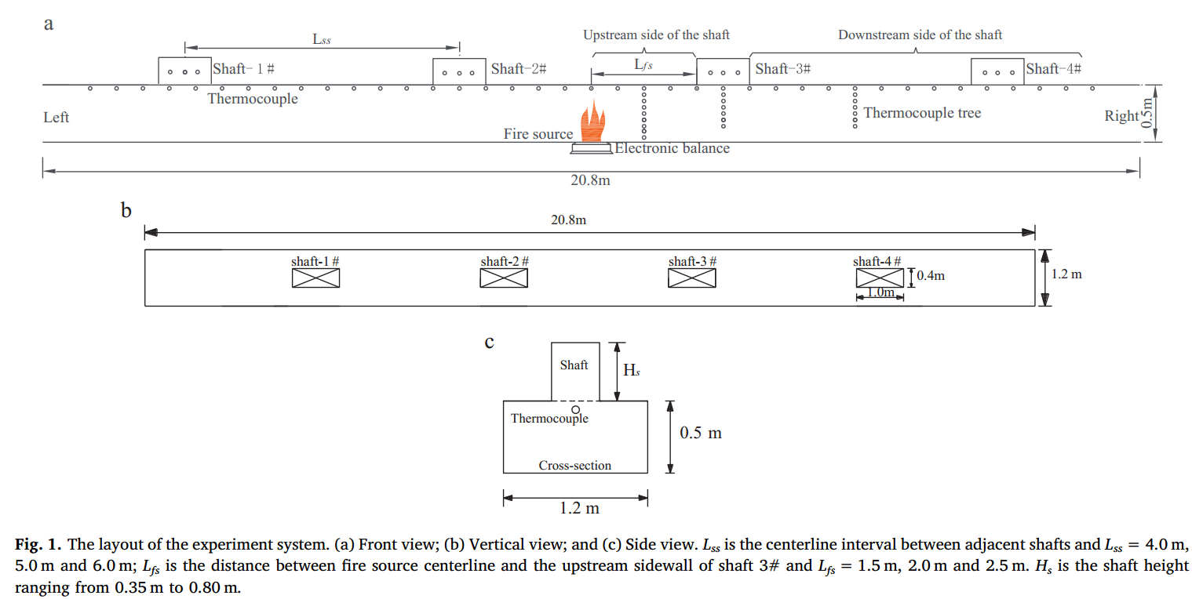

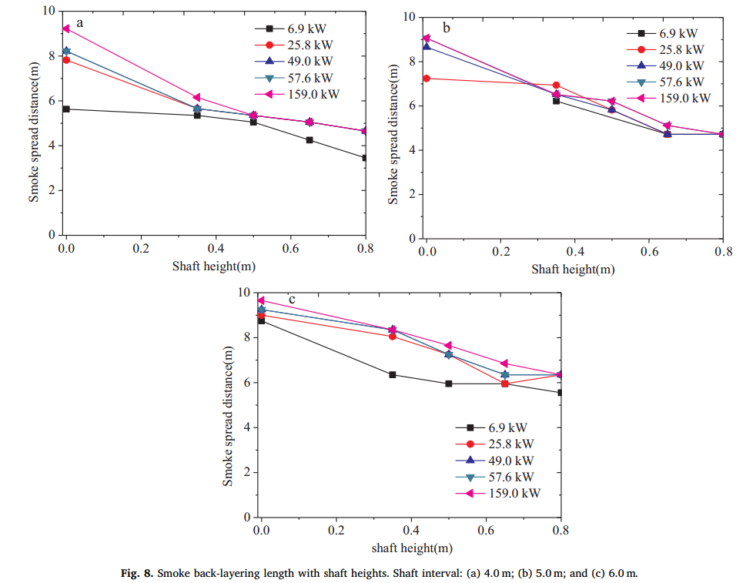
4 m | 6.9 kW | H | 0.00 | 0.35 | 0.50 | 0.65 | 0.80
 |  | Lb | 5.66 | 5.38 | 5.04 | 4.26 | 3.44
 | 25.8 kW | H | 0.00 | 0.35 | 0.50 | 0.65 | 0.80
 |  | Lb | 7.85 | 5.67 | 5.37 | 5.05 | 4.67
 | 49.0 kW | H | 0.00 | 0.35 | 0.50 | 0.65 | 0.80
 |  | Lb | 8.22 | 5.67 | 5.37 | 5.05 | 4.67
 | 57.6 kW | H | 0.00 | 0.35 | 0.50 | 0.65 | 0.80
 |  | Lb | 8.22 | 5.67 | 5.37 | 5.05 | 4.67
 | 159.0 kW | H | 0.00 | 0.35 | 0.50 | 0.65 | 0.80
 |  | Lb | 9.22 | 6.17 | 5.37 | 5.05 | 4.67

5 m | 6.9 kW | H |  | 0.35 |  | 0.65 | 0.80
 |  | Lb |  | 6.22 |  | 4.75 | 4.74
 | 25.8 kW | H | 0.00 | 0.35 | 0.50 | 0.65 | 0.80
 |  | Lb | 7.26 | 6.95 | 5.84 | 4.75 | 4.74
 | 49.0 kW | H | 0.00 | 0.35 | 0.50 | 0.65 | 0.80
 |  | Lb | 8.68 | 6.53 | 5.80 | 4.75 | 4.74
 | 57.6 kW | H | 0.00 | 0.35 | 0.50 | 0.65 | 0.80
5 m
 | 6.9 kW |  | 25.8 kW |  | 49.0 kW |  | 57.6 kW |  | 159.0 kW
0.35 | 6.2182 | 0.00 | 7.26 | 0.00 | 8.68 | 0.00 | 9.07 | 0.00 | 9.07
 |  | 0.35 | 6.95 | 0.35 | 6.53 | 0.35 | 6.53 | 0.35 | 6.53
0.65 | 4.7498 | 0.50 | 5.84 | 0.50 | 5.80 | 0.50 | 6.22 | 0.50 | 6.22
0.8 | 4.7391 | 0.65 | 4.75 | 0.65 | 4.75 | 0.65 | 5.14 | 0.65 | 5.14
 |  | 0.80 | 4.74 | 0.80 | 4.74 | 0.80 | 4.74 | 0.80 | 4.74
 |  | Lb | 9.07 | 6.53 | 6.22 | 5.14 | 4.74
 | 159.0 kW | H | 0.00 | 0.35 | 0.50 | 0.65 | 0.80
 |  | Lb | 9.07 | 6.53 | 6.22 | 5.14 | 4.74

6 m | 6.9 kW | H | 0.00 | 0.35 | 0.50 | 0.65 | 0.80
 |  | Lb | 8.76 | 6.35 | 5.94 | 5.93 | 5.52
 | 25.8 kW | H | 0.00 | 0.35 | 0.50 | 0.65 | 0.80
 |  | Lb | 9.00 | 8.04 | 7.23 | 5.93 | 6.33
 | 49.0 kW | H | 0.00 | 0.35 | 0.50 | 0.65 | 0.80
 |  | Lb | 9.26 | 8.36 | 7.24 | 6.33 | 6.33
 | 57.6 kW | H | 0.00 | 0.35 | 0.50 | 0.65 | 0.80
 |  | Lb | 9.26 | 8.36 | 7.24 | 6.33 | 6.33
 | 159.0 kW | H | 0.00 | 0.35 | 0.50 | 0.65 | 0.80
 |  | Lb | 9.66 | 8.36 | 7.64 | 6.83 | 6.33

6 m

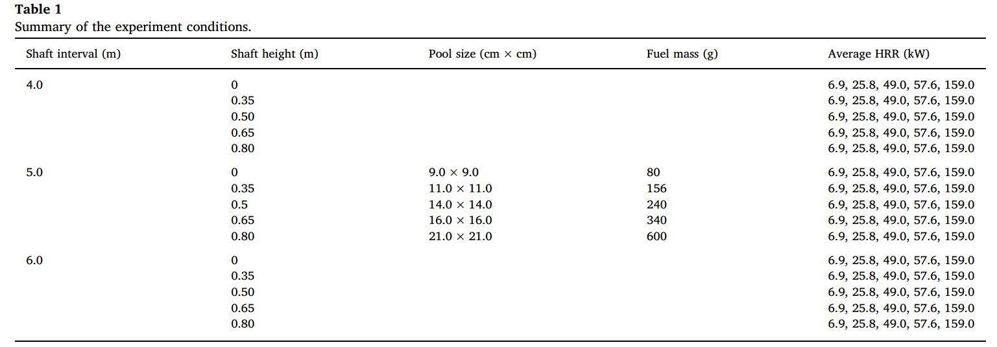

Lb - Smoke back-layering length with Q - Heat relaease rate. (Guo 2019)
4 m

4 m | 0 m | 6.90 | 25.80 | 49.00 | 57.60 | 159.00
 |  | 5.66 | 7.85 | 8.22 | 8.22 | 9.22
 | 0.35 m | 6.90 | 25.80 | 49.00 | 57.60 | 159.00
 |  | 5.38 | 5.67 | 5.67 | 5.67 | 6.17
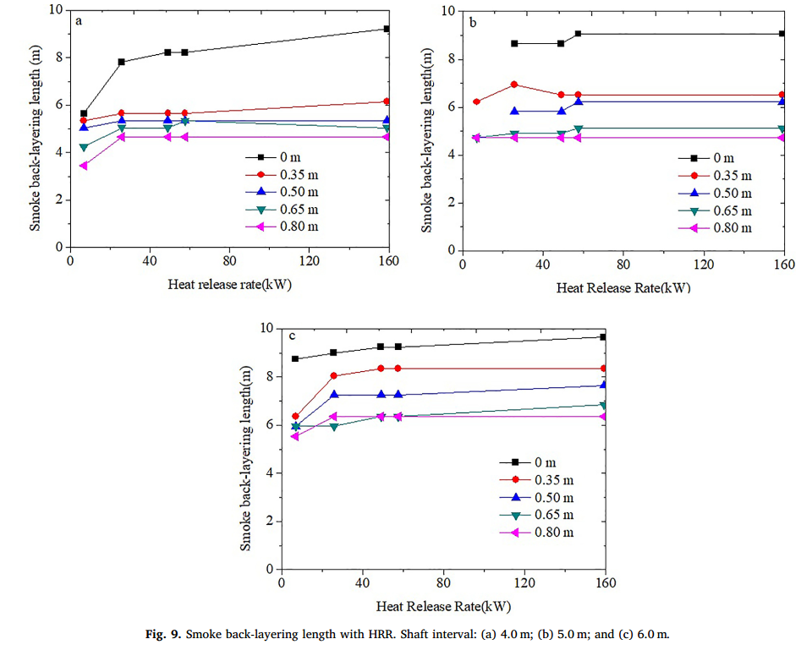
 | 0.50 m | 6.90 | 25.80 | 49.00 | 57.60 | 159.00
 |  | 5.04 | 5.37 | 5.37 | 5.66 | 5.37
 | 0.65 m | 6.90 | 25.80 | 49.00 | 57.60 | 159.00
 |  | 4.26 | 5.05 | 5.05 | 5.05 | 5.05
 | 0.80 m | 6.90 | 25.80 | 49.00 | 57.60 | 159.00
 |  | 3.44 | 4.67 | 4.67 | 4.67 | 4.67

5 m | 0 m |  | 25.80 | 49.00 | 57.60 | 159.00
 |  |  | 7.26 | 8.68 | 9.07 | 9.07
 | 0.35 m | 6.90 | 25.80 | 49.00 | 57.60 | 159.00
5 m
 |  | 6.22 | 6.95 | 6.53 | 6.53 | 6.53
 | 0.50 m |  | 25.80 | 49.00 | 57.60 | 159.00
 |  |  | 5.84 | 5.80 | 6.22 | 6.22
 | 0.65 m | 6.90 | 25.80 | 49.00 | 57.60 | 159.00
 |  | 4.75 | 4.75 | 4.75 | 5.14 | 5.14
 | 0.80 m | 6.90 | 25.80 | 49.00 | 57.60 | 159.00
 |  | 4.74 | 4.74 | 4.74 | 4.74 | 4.74

6 m | 0 m | 6.90 | 25.80 | 49.00 | 57.60 | 159.00
 |  | 8.76 | 9.00 | 9.26 | 9.26 | 9.66
 | 0.35 m | 6.90 | 25.80 | 49.00 | 57.60 | 159.00
 |  | 6.35 | 8.04 | 8.36 | 8.36 | 8.36
 | 0.50 m | 6.90 | 25.80 | 49.00 | 57.60 | 159.00
 |  | 5.94 | 7.23 | 7.24 | 7.24 | 7.64
 | 0.65 m | 6.90 | 25.80 | 49.00 | 57.60 | 159.00
 |  | 5.93 | 5.93 | 6.33 | 6.33 | 6.83
6 m
 | 0.80 m | 6.90 | 25.80 | 49.00 | 57.60 | 159.00
 |  | 5.52 | 6.33 | 6.33 | 6.33 | 6.33

Lb - Smoke back-layering length with D - Fire-shaft distance (Guo 2019)

0.35 m
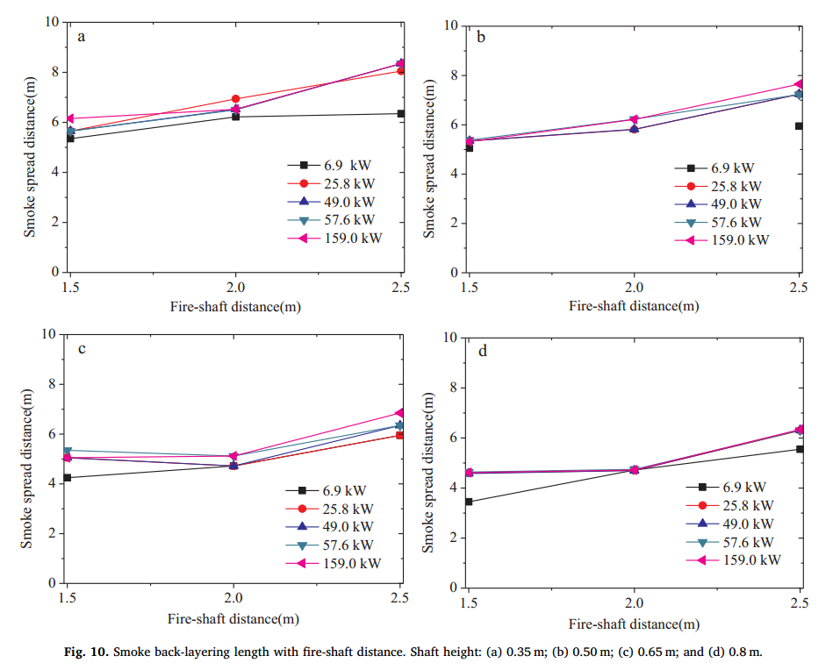
0.50 m
0.35 m | 6.9 kW | D | 1.50 | 2.00 | 2.50
 |  | Lb | 5.35 | 6.24 | 6.36
 | 25.8 kW | D | 1.50 | 2.00 | 2.50
 |  | Lb | 5.69 | 6.94 | 8.03
 | 49.0 kW | D | 1.50 | 2.00 | 2.50
 |  | Lb | 5.68 | 6.53 | 8.35
 | 57.6 kW | D | 1.50 | 2.00 | 2.50
 |  | Lb | 5.64 | 6.51 | 8.36
 | 159.0 kW | D | 1.50 | 2.00 | 2.50
 |  | Lb | 6.15 | 6.51 | 8.33

0.5 m | 6.9 kW | D | 1.50 | 2.50
 |  | Lb | 5.09 | 5.94
 | 25.8 kW | D | 1.50 | 2.00 | 2.50
 |  | Lb | 5.38 | 5.84 | 7.25
 | 49.0 kW | D | 1.50 | 2.00 | 2.50
 |  | Lb | 5.38 | 5.84 | 7.25
 | 57.6 kW | D | 1.50 | 2.00 | 2.50
 |  | Lb | 5.38 | 6.22 | 7.22
 | 159.0 kW | D | 1.50 | 2.00 | 2.50
 |  | Lb | 5.33 | 6.22 | 7.63
0.60 m
0.80 m
0.65 m | 6.9 kW | D | 1.50 | 2.00 | 2.50
 |  | Lb | 4.26 | 4.74 | 5.96
 | 25.8 kW | D | 1.50 | 2.00 | 2.50
 |  | Lb | 5.07 | 4.72 | 5.96
 | 49.0 kW | D | 1.50 | 2.00 | 2.50
 |  | Lb | 5.07 | 4.72 | 6.37
 | 57.6 kW | D | 1.50 | 2.00 | 2.50
 |  | Lb | 5.35 | 5.12 | 6.34
 | 159.0 kW | D | 1.50 | 2.00 | 2.50
 |  | Lb | 5.05 | 5.11 | 6.86

0.8 m | 6.9 kW | D | 1.50 | 2.00 | 2.50
 |  | Lb | 3.46 | 4.73 | 5.56
 | 25.8 kW | D | 1.50 | 2.00 | 2.50
 |  | Lb | 4.58 | 4.70 | 6.31
 | 49.0 kW | D | 1.50 | 2.00 | 2.50
 |  | Lb | 4.59 | 4.70 | 6.33
 | 57.6 kW | D | 1.50 | 2.00 | 2.50
 |  | Lb | 4.62 | 4.74 | 6.28
 | 159.0 kW | D | 1.50 | 2.00 | 2.50
 |  | Lb | 4.61 | 4.71 | 6.33

Lb - Smoke back-layering length with V - ventilation velocity based on different ceiling extraction velocity (Tang 2016)
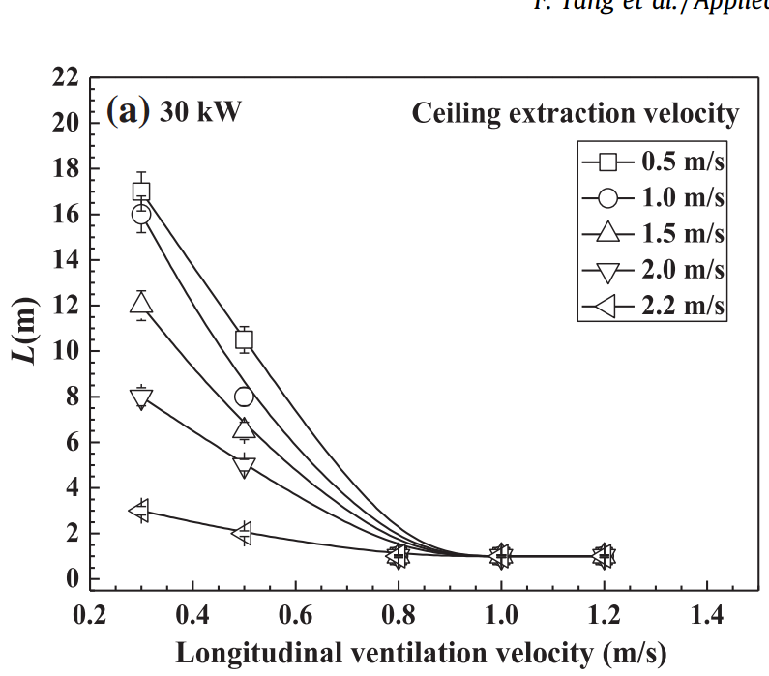
30 kW
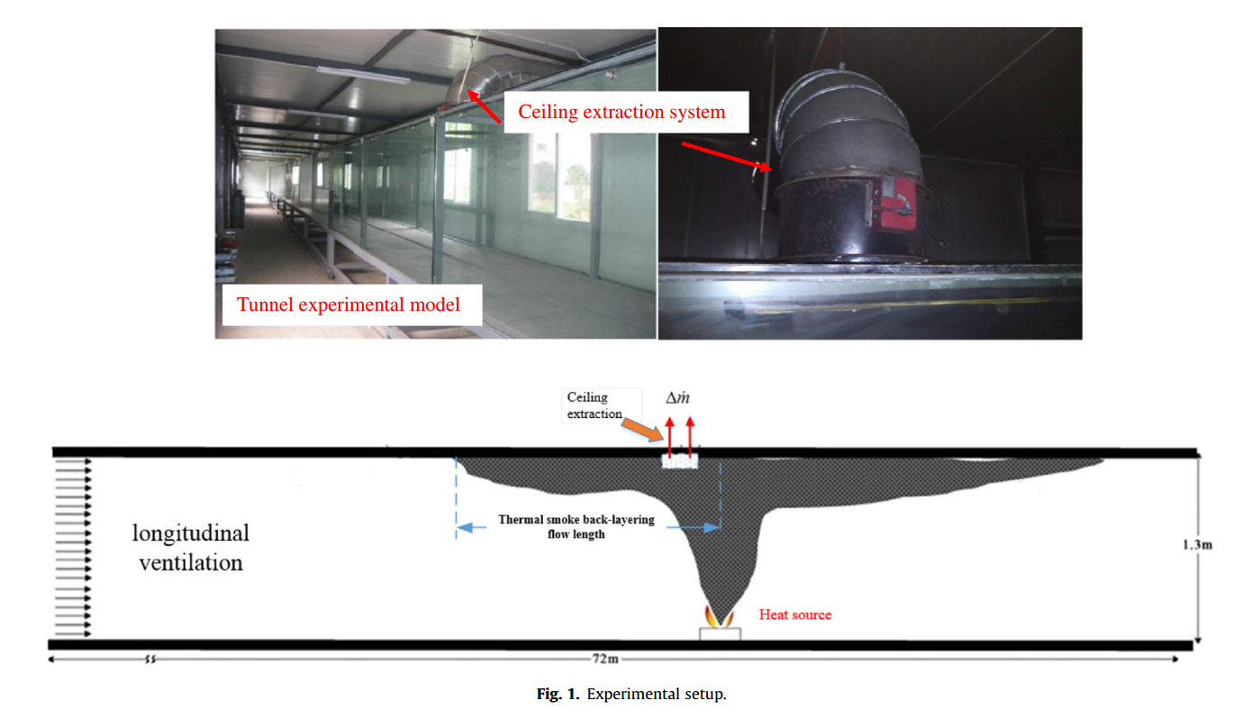
30 kW | 0.5 m/s | V | 0.30 | 0.50 | 0.80 | 1.00 | 1.20
 |  | Lb | 18.08 | 10.73 | 1.46 | 1.42 | 1.43
 | 1.0 m/s | V | 0.30 | 0.50 | 0.80 | 1.00 | 1.20
 |  | Lb | 16.11 | 8.30 | 1.46 | 1.42 | 1.43
 | 1.5 m/s | V | 0.30 | 0.50 | 0.80 | 1.00 | 1.20
 |  | Lb | 12.20 | 6.83 | 1.46 | 1.42 | 1.43
 | 2.0 m/s | V | 0.30 | 0.50 | 0.80 | 1.00 | 1.20
 |  | Lb | 8.28 | 5.36 | 1.46 | 1.42 | 1.43
 | 2.2 m/s | V | 0.30 | 0.50 | 0.80 | 1.00 | 1.20
 |  | Lb | 3.40 | 2.42 | 1.46 | 1.42 | 1.43

40 kW | 0.5 m/s | V |  | 0.50 | 0.80 | 1.00 | 1.20
 |  | Lb |  | 12.48 | 2.51 | 1.03 | 1.03
 | 1.0 m/s | V | 0.30 | 0.50 | 1.00 | 1.20 | 0.80
 |  | Lb | 16.51 | 5.02 | 1.00 | 1.00 | 1.79
 | 1.5 m/s | V | 0.30 | 0.50 | 0.80 | 1.00 | 1.20
 |  | Lb | 13.02 | 3.98 | 2.00 | 1.00 | 0.98
 | 2.0 m/s | V | 0.30 | 0.50 | 0.80 | 1.00 | 1.20
40 kW
 |  | Lb | 9.03 | 3.01 | 1.54 | 1.00 | 0.98
 | 2.2 m/s | V | 0.30 | 0.50 | 0.80 | 1.00 | 1.20
 |  | Lb | 3.51 | 2.00 | 0.98 | 1.00 | 0.98

50 kW | 0.5 m/s | V |  | 0.50 | 0.80 | 1.00 | 1.20
 |  | Lb |  | 14.01 | 4.47 | 2.00 | 0.99
 | 1.0 m/s | V | 0.30 | 0.50 | 0.80 | 1.00 | 1.20
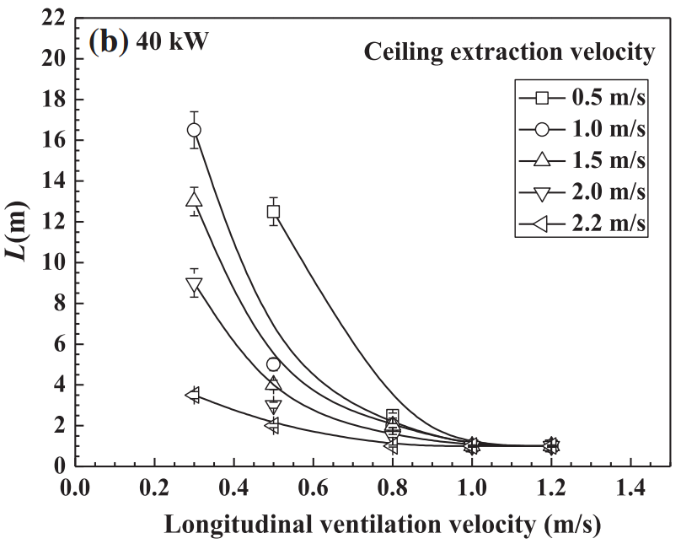
 |  | Lb | 17.51 | 3.48 | 0.97 | 0.99 | 9.98
 | 1.5 m/s | V | 0.30 | 0.50 | 0.80 | 1.00 | 1.20
 |  | Lb | 16.02 | 3.00 | 0.97 | 0.99 | 5.43
 | 2.0 m/s | V | 0.30 | 0.50 | 0.80 | 1.00 | 1.20
 |  | Lb | 13.51 | 2.52 | 0.97 | 0.99 | 4.05
 | 2.2 m/s | V | 0.30 | 0.50 | 0.80 | 1.00 | 1.20
 |  | Lb | 7.00 | 1.99 | 0.97 | 0.99 | 3.48

50 kW

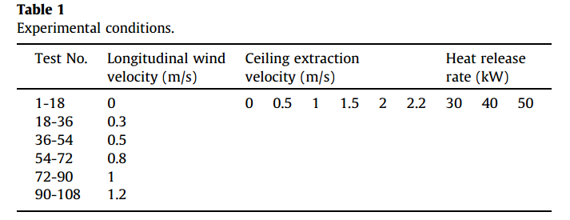
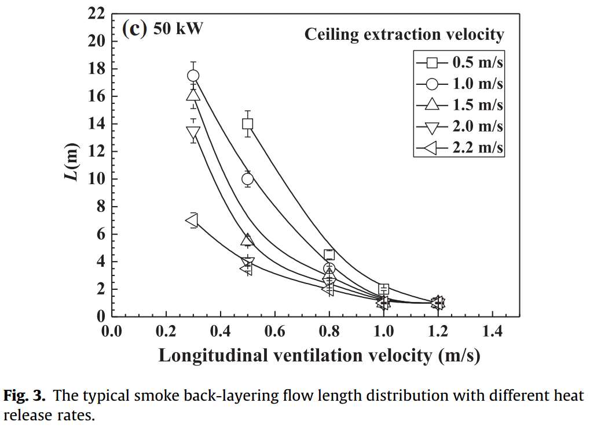

Lb - Smoke back-layering length with V - ventilation velocity based on different ceiling extraction (Tang 2016)
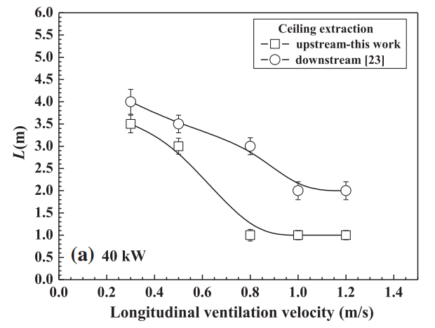

40 kW | upstream | V | 0.30 | 0.50 | 0.80 | 1.00 | 1.20
 |  | Lb | 4.00 | 3.50 | 3.00 | 2.00 | 2.00
 | downstream | V | 0.30 | 0.50 | 0.80 | 1.00 | 1.20
 |  | Lb | 3.51 | 3.00 | 0.99 | 1.00 | 1.00

40 kW
50 kW | upstream | V | 0.30 | 0.50 | 0.80 | 1.00 | 1.20
 |  | Lb | 5.51 | 4.51 | 4.00 | 4.01 | 3.50
 | downstream | V | 0.30 | 0.50 | 0.80 | 1.00 | 1.20
 |  | Lb | 5.01 | 3.50 | 2.00 | 1.00 | 1.00

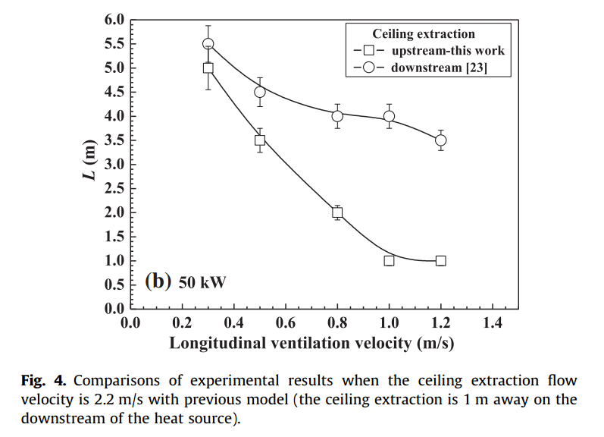

50 kW

